Case #1
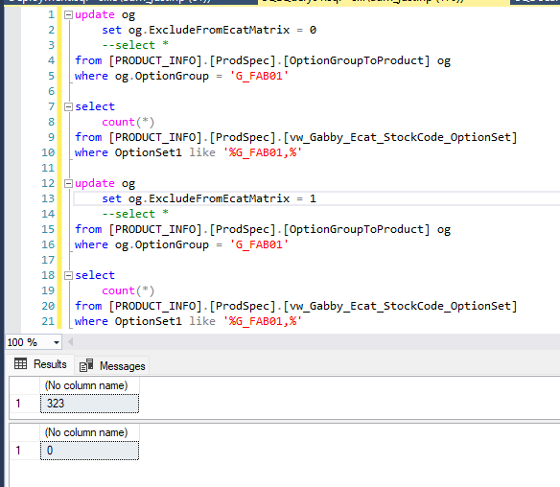
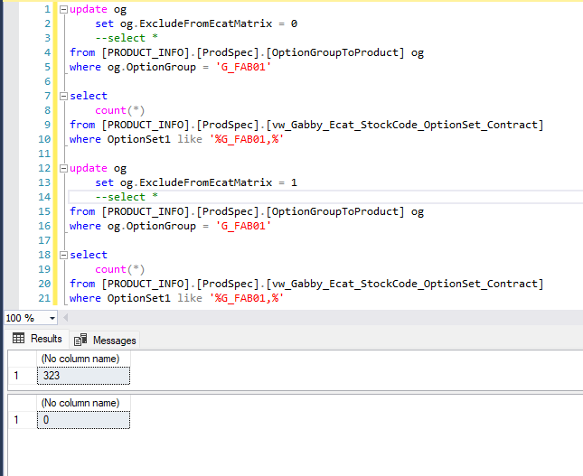
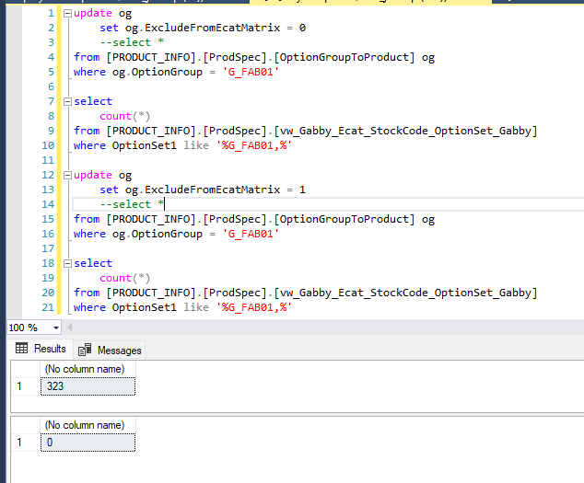
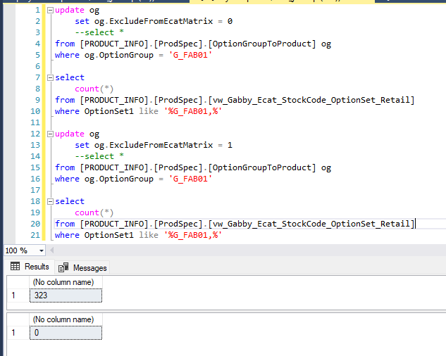
Justin Pope Dev Test
Test Case No. | 1
Process | unit testing: eCate Update Matrix Options jobs
Test Consideration | 1) ssms
Test Condition |  | Data Used | How To Verify | Actual Results
Tasks
1 | unit testing: eCat Update Matrix Options jobs | dev data | query database | Screenshots below
Configuration/Data Setup for Testing Scenario
Verification
Test Cast Screens Shots Before and After

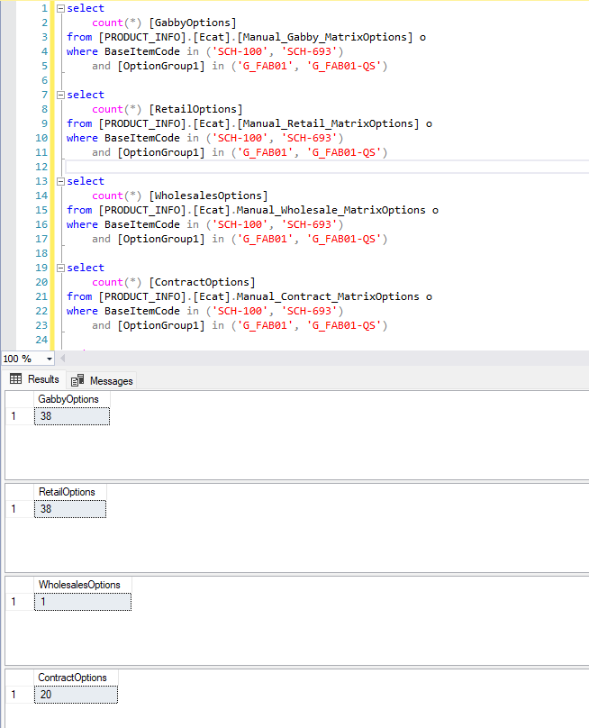

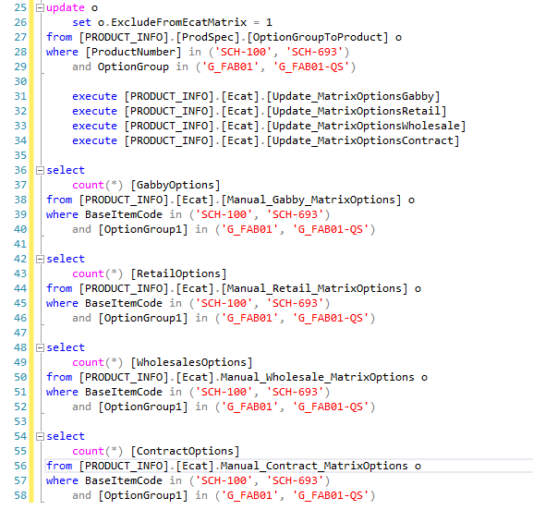

 | Testing Views

Case #2
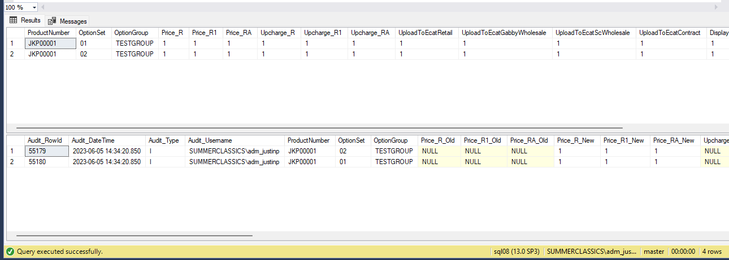
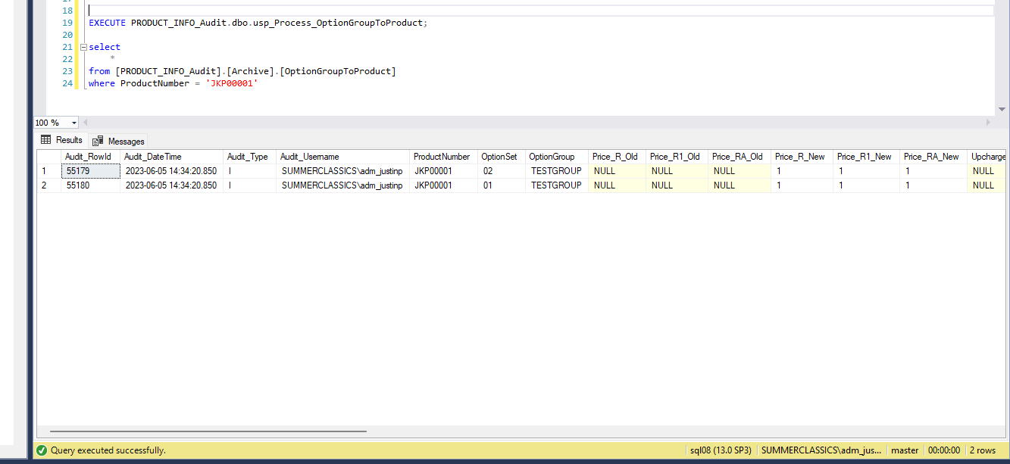
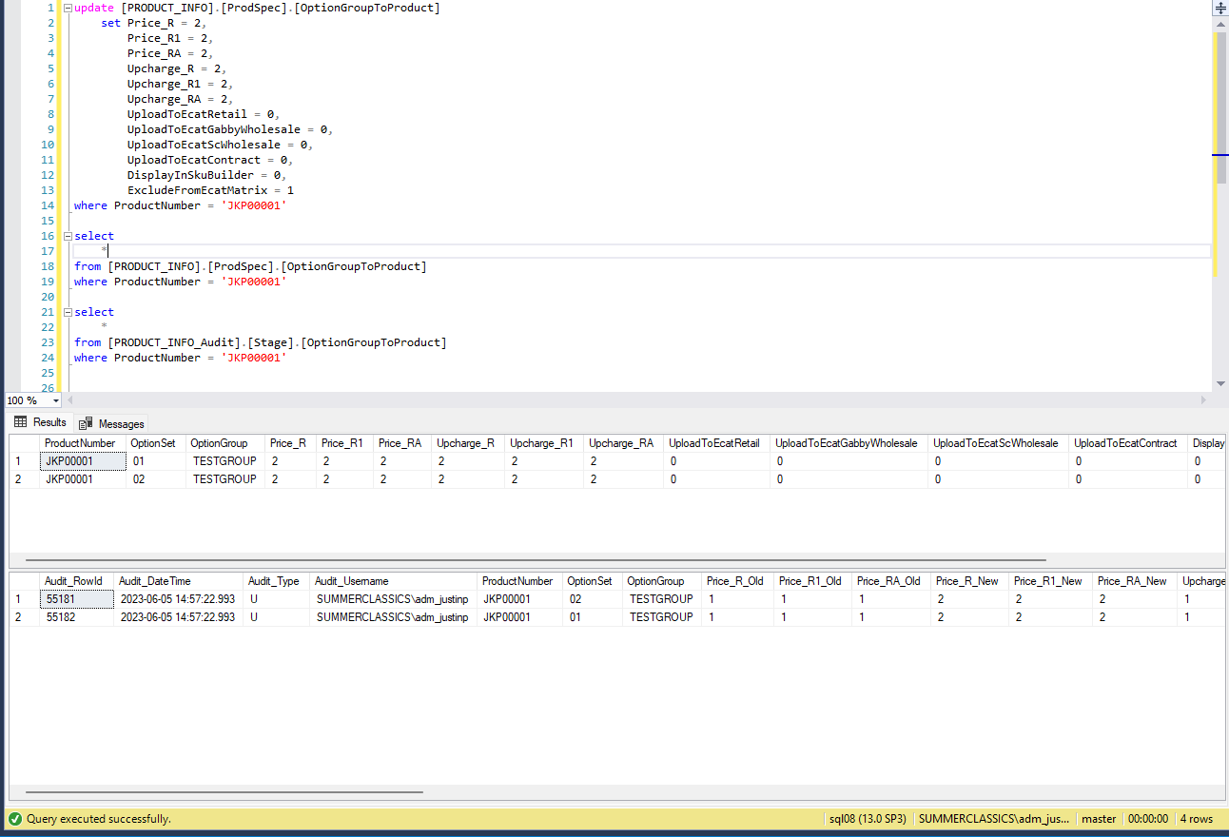
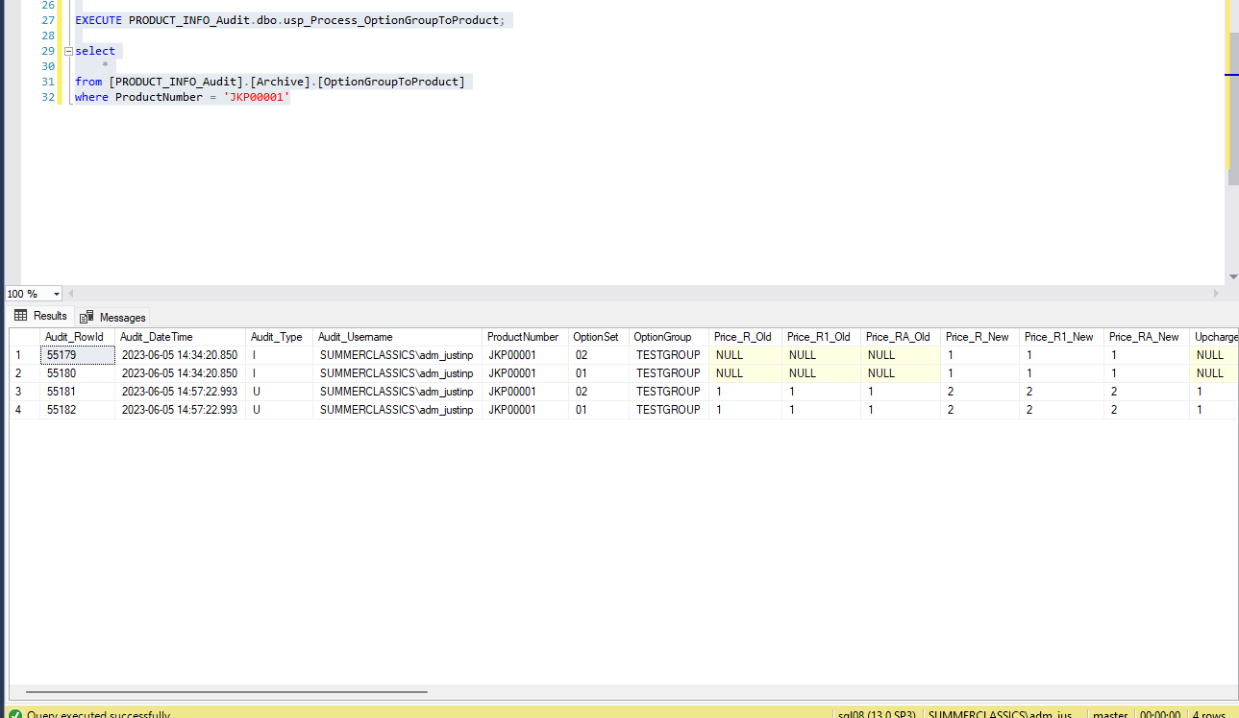
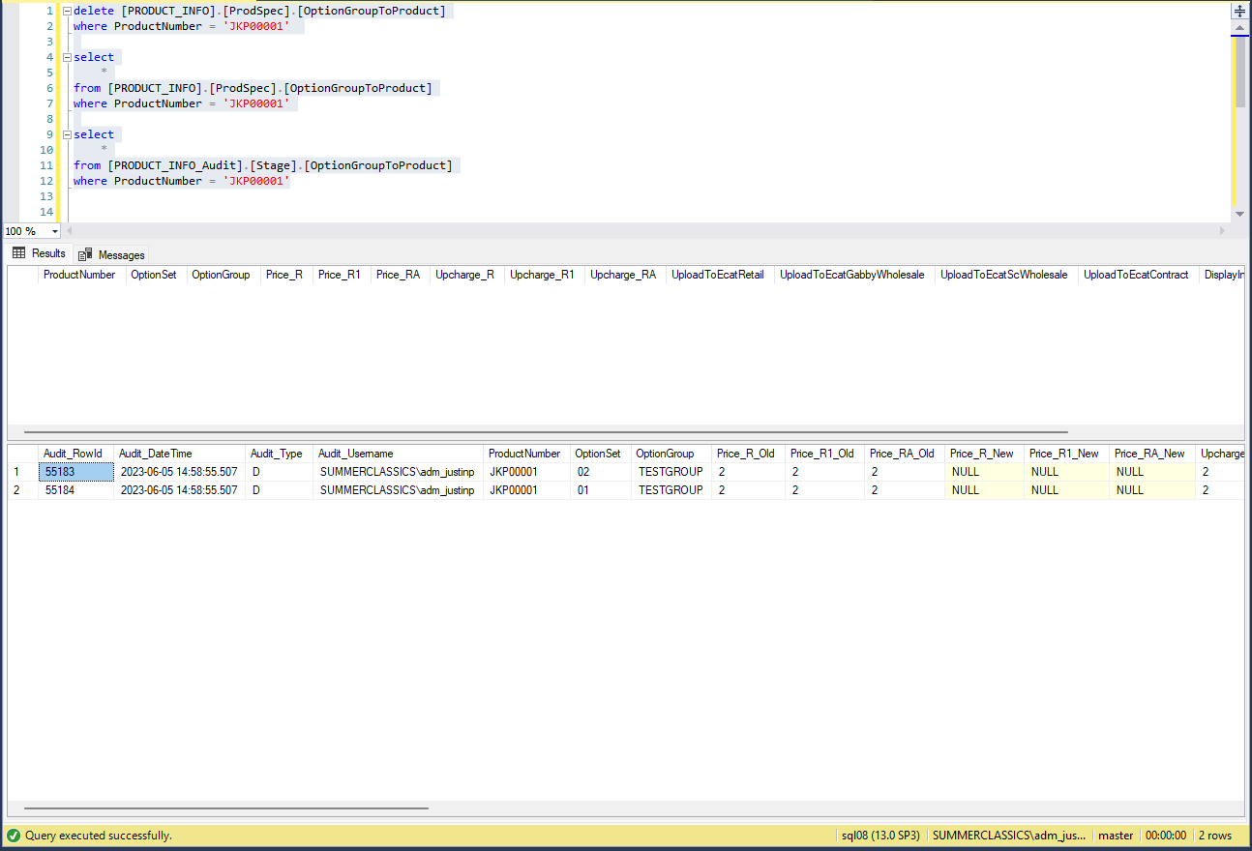
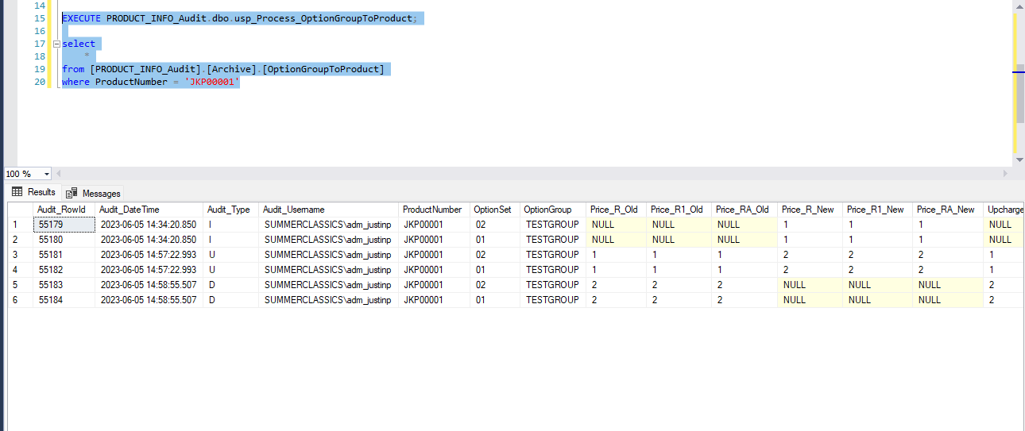
Justin Pope Dev Test
Test Case No. | 2
Process | unit testing: archive process
Test Consideration | 1) ssms
Test Condition |  | Data Used | How To Verify | Actual Results
Tasks
1 | unit testing: Archive process | dev data | query database | Screenshots below
Configuration/Data Setup for Testing Scenario
Verification
Test Cast Screens Shots Before and After

